Hiearchy View
CLASS: FREQUENCY GENERATOR
an electronic device that produces electric or electromagnetic impulses. |  | 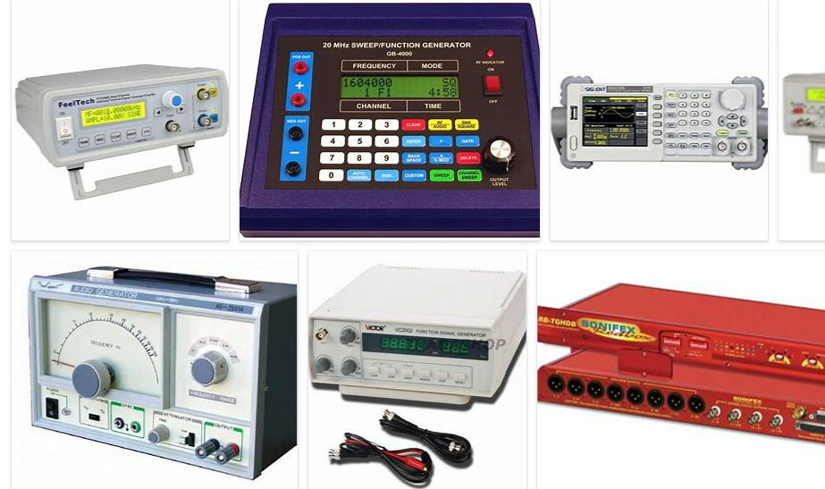
REMOVE | N

PROBLEM_DESC | CAUSE_DESC | REMEDY_DESC
BROKEN/DAMAGED
OTHER PROBLEM
OVERHEATING
POWER-ELEC
STOPPED/SLOWED/POOR OPS
TEMP-CTRL
VIBRATION
Grand Total

